Savings cost
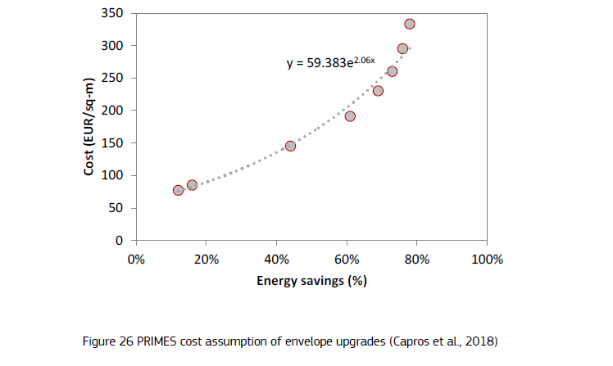

Energy savings cost calulation
 | Capros | EUR/M2 | Floor area renovated | Energy savings | EUR/BTU | USD/BTU
0.1 | 72.967051513 | 73 | 2,101,180,699,134.38 | 8.9382439285E+14
0.2 | 89.658498333 | 99 | 2,858,053,653,082.39 | 1.7876487857E+15 | 0.00084678037432 | 0.0006825049817
0.3 | 110.16816709 | 126 | 3,614,926,607,030.40 | 2.6814731785E+15 | 0.00084678037432 | 0.0006825049817
0.4 | 135.36948829 | 152 | 4,371,799,560,978.41 | 3.5752975714E+15 | 0.00084678037432 | 0.0006825049817
0.5 | 166.33569246 | 178 | 5,128,672,514,926.42 | 4.4691219642E+15 | 0.00084678037432 | 0.0006825049817
0.6 | 204.38551505 | 204 | 5,885,545,468,874.43 | 5.3629463571E+15

 | Capros | EUR/M2
0.1 | 72.967051513 | 73
0.2 | 89.658498333 | 99
0.3 | 110.16816709 | 126
0.4 | 135.36948829 | 152
0.5 | 166.33569246 | 178
0.6 | 204.38551505 | 204

